Ad Screenshots
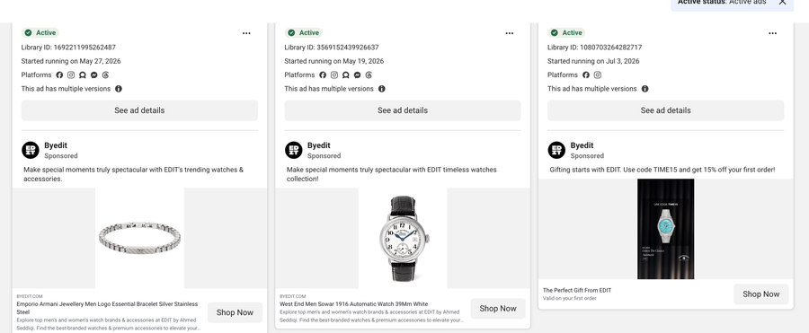
Ad creatives as captured, 1 October 2026 — Source: Meta Ad Library (public transparency data)
Each caption lists the Library IDs of the ads in that screenshot, left to right. Match them to the Capture sheet.

Screenshot 1 — Library IDs: 1364179039034230
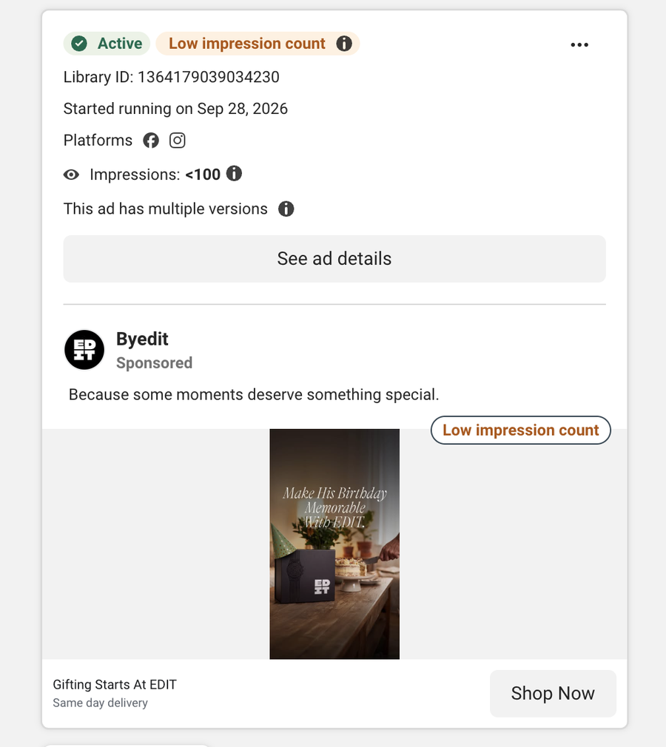

Screenshot 2 — Library IDs: 1785708579247925, 28453148454341247, 1103308235992010
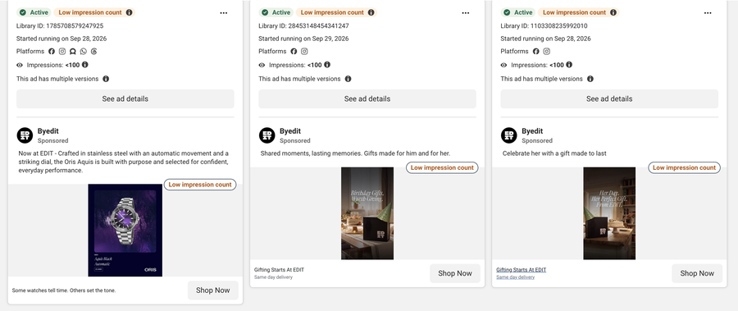

Screenshot 3 — Library IDs: 1784830819450602, 2621717581593070, 967302383086721
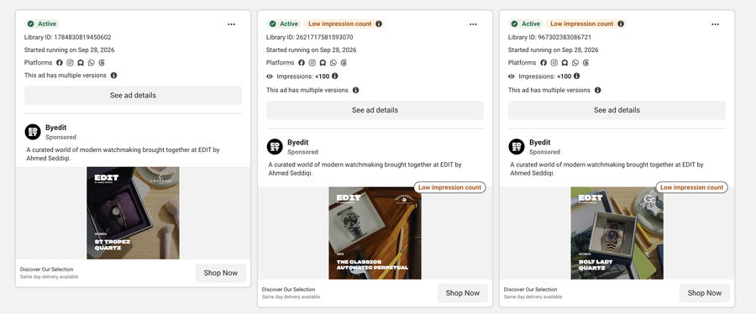

Screenshot 5 — Library IDs: 1825443341969342, 1541032691126045, 3121966064666938
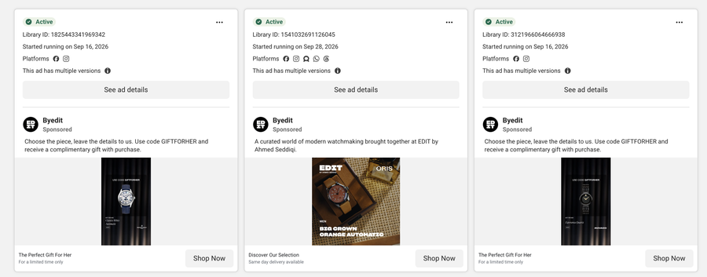

Screenshot 6 — Library IDs: 2136929040560930, 1387930476177716, 2860850660956381
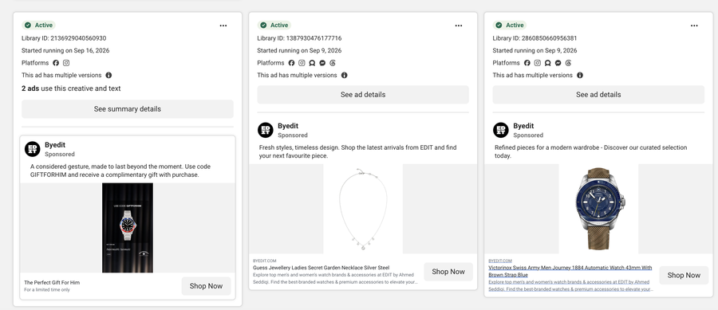

Screenshot 7 — Library IDs: 1775702650030588, 1062176356578961, 1968283164088361
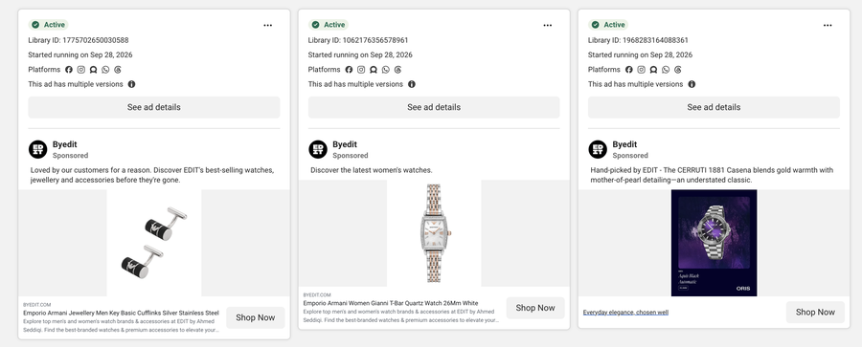

Screenshot 8 — Library IDs: 2110492949839842, 1611631670693948, 1485198910105048
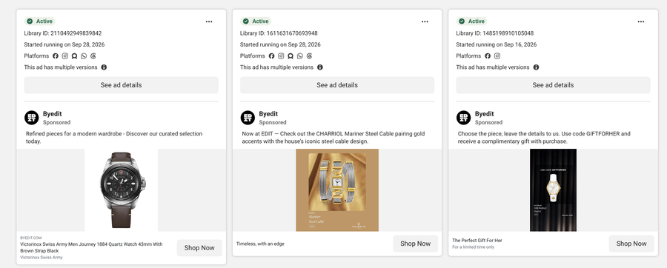

Screenshot 9 — Library IDs: 1641835654149925, 1076716091734716, 1119710574343186
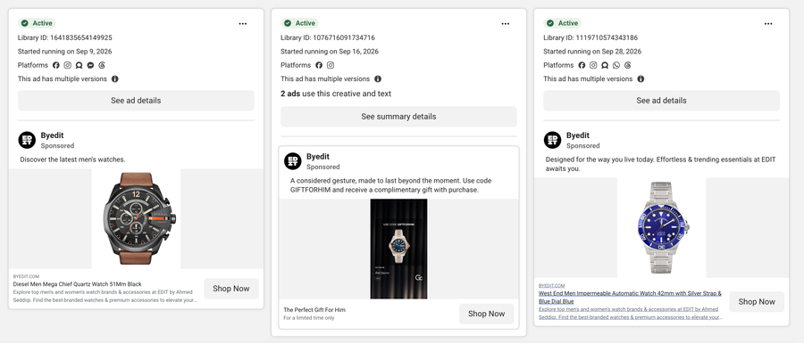

Screenshot 10 — Library IDs: 1617455293089290, 1112999621624483, 1812832359920344
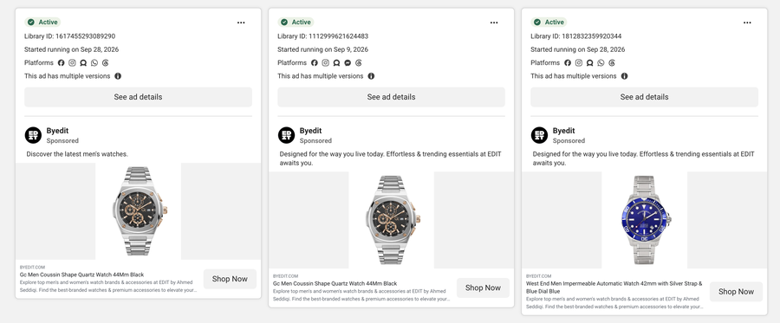

Screenshot 11 — Library IDs: 1647750090297060, 1724040418887275, 1277415701125951
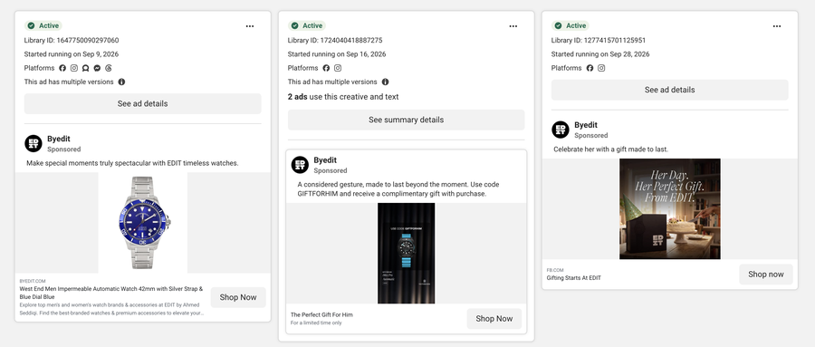

Screenshot 12 — Library IDs: 967112965698211, 2005679580051616, 1107470515310853
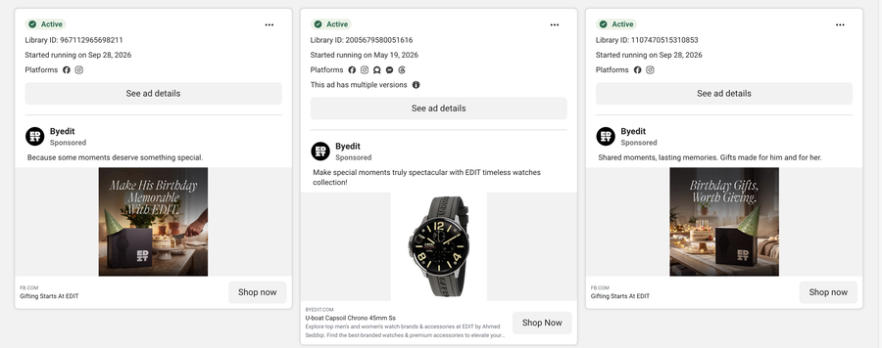

Screenshot 13 — Library IDs: 1578202927170872, 1025350306867542, 1604551103940161
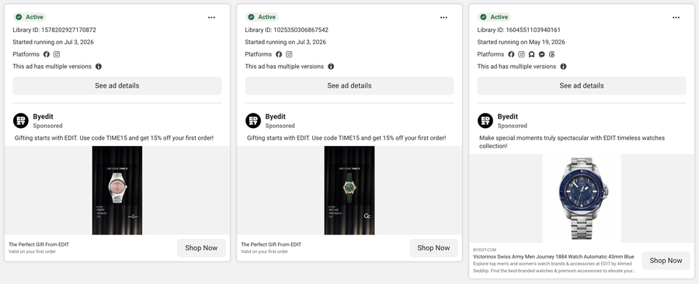

Screenshot 14 — Library IDs: 1692211995262487, 3569152439926637, 1080703264282717

